SRPT
SRPT - Sarepta Therapeutics, Inc.

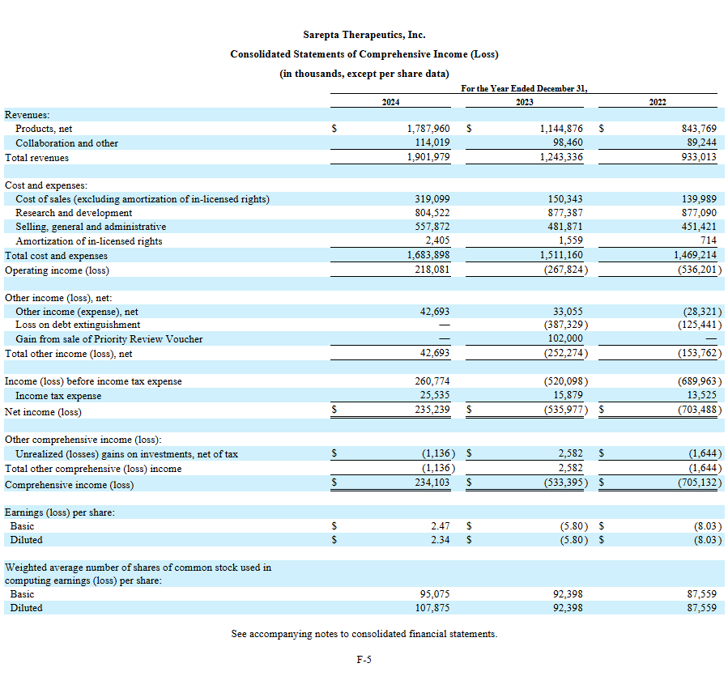
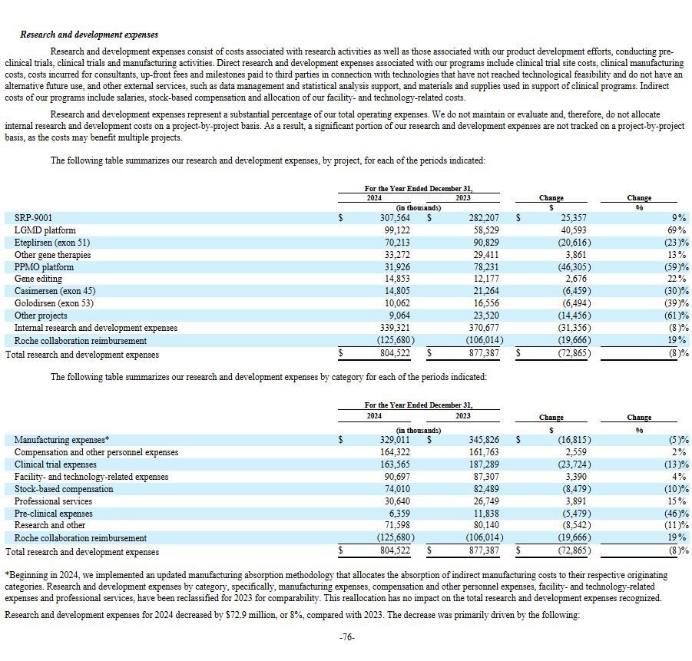

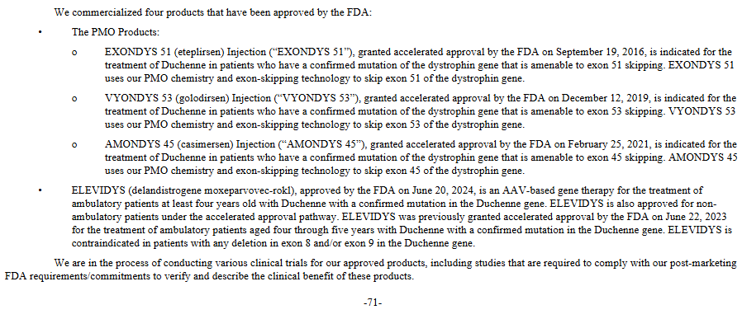
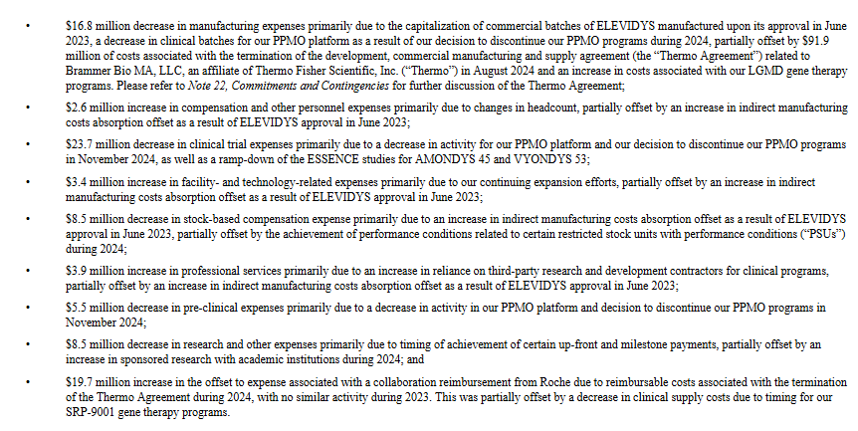

Year | Operating Cash Flow | R&D Expense | CapEx | Adjusted FCF (No R&D)
TTM | -$1,017,000 | $1,377,522 | -$136,956 | $497,478
2024 | -$205,787 | $804,522 | -$136,956 | $461,779
2023 | -$500,993 | $877,387 | -$76,106 | $300,288
2022 | -$325,346 | $877,090 | -$30,824 | $520,920
2021 | -$443,170 | $862,130 | -$38,490 | $380,470
2020 | $107,470 | $785,630 | -$82,200 | $810,900

SRPT DCF Value excluding R&D with no growth assumption:
Discounted Cash Flow (DCF) Calculation for Sarepta Therapeutics (SRPT) with 5% Annual Share Dilution:
Assumptions:
Free Cash Flow (FCF) each year: $300 million
Growth rate for FCF (Years 1–5): 0%
Terminal growth rate (after Year 5): 1%
Discount rate (WACC): 10%
Shares outstanding increase: 5% per year, starting from 98 million
Discounted Cash Flows
Year 1: 300 / 1.10 = 272.7
Year 2: 300 / (1.10^2) = 248.8
Year 3: 300 / (1.10^3) = 226.2
Year 4: 300 / (1.10^4) = 205.6
Year 5: 300 / (1.10^5) = 186.0
Terminal Value: 3,366.7 / (1.10^5) = 2,086.7
Per Share Value for Each Year
Year 1: 272.7 / 98.00 = $2.78
Year 2: 248.8 / 102.90 = $2.42
Year 3: 226.2 / 108.05 = $2.09
Year 4: 205.6 / 113.45 = $1.81
Year 5: 186.0 / 119.12 = $1.56
Terminal: 2,086.7 / 119.12 = $17.52
Per Share Value = $2.78 + $2.42 + $2.09 + $1.81 + $1.56 + $17.52 = $28.18 per share

